Distribution by DMA
Distribution by DMA |  | Coefficients | Year 0 | Year 1 | Year 2 | Year 3 | Year 4
 |  | Yearly market growth rate |  | 11% | 11% | 11% | 11%
Market (given information) |  | Market share growth multiplier (Yearly) |  | 1.50 | 1.50 | 1.50 | 1.50
Initial market size (units) | 300,000 | Market share growth rate (Monthly) |  | 0.04 | 0.04 | 0.04 | 0.04
Market growth rate | 11%
Months to obsolescence | 24 | Estimated Sales table (DMA) | 0 | 1 | 2 | 3 | 4 | 5 | 6 | 7 | 8 | 9 | 10 | 11 | 12 | 13 | 14 | 15 | 16 | 17 | 18 | 19 | 20 | 21 | 22 | 23 | 24 | 25 | 26 | 27 | 28 | 29 | 30 | 31 | 32 | 33 | 34 | 35 | 36 | 37 | 38 | 39 | 40 | 41 | 42 | 43 | 44 | 45 | 46 | 47 | 48
Initial market share | 3.50% |  | month 0 | month 1 | month 2 | month 3 | month 4 | month 5 | month 6 | month 7 | month 8 | month 9 | month 10 | month 11 | month 12 | month 13 | month 14 | month 15 | month 16 | month 17 | month 18 | month 19 | month 20 | month 21 | month 22 | month 23 | month 24 | month 25 | month 26 | month 27 | month 28 | month 29 | month 30 | month 31 | month 32 | month 33 | month 34 | month 35 | month 36 | month 37 | month 38 | month 39 | month 40 | month 41 | month 42 | month 43 | month 44 | month 45 | month 46 | month 47 | month 48
Annual market share growth multiplier | 1.5 | Obsolescence or not |  | 1 | 1 | 1 | 1 | 1 | 1 | 1 | 1 | 1 | 1 | 1 | 1 | 1 | 1 | 1 | 1 | 1 | 1 | 1 | 1 | 1 | 1 | 1 | 1 | 0 | 0 | 0 | 0 | 0 | 0 | 0 | 0 | 0 | 0 | 0 | 0 | 0 | 0 | 0 | 0 | 0 | 0 | 0 | 0 | 0 | 0 | 0 | 0
Promotion budget | $200,000 | Market size | 300,000 | 302,750 | 305,525 | 308,326 | 311,152 | 314,004 | 316,883 | 319,788 | 322,719 | 325,677 | 328,663 | 331,675 | 334,716 | 337,784 | 340,880 | 344,005 | 347,158 | 350,341 | 353,552 | 356,793 | 360,064 | 363,364 | 366,695 | 370,056 | 373,449 | 376,872 | 380,326 | 383,813 | 387,331 | 390,882 | 394,465 | 398,081 | 401,730 | 405,412 | 409,129 | 412,879 | 416,664 | 420,483 | 424,337 | 428,227 | 432,153 | 436,114 | 440,112 | 444,146 | 448,217 | 452,326 | 456,472 | 460,657 | 464,879
Price to wholesalers | $50 | Market share |  | 3.50% | 3.65% | 3.80% | 3.96% | 4.12% | 4.29% | 4.47% | 4.66% | 4.85% | 5.05% | 5.26% | 5.48% | 5.71% | 5.95% | 6.20% | 6.46% | 6.73% | 7.01% | 7.30% | 7.60% | 7.92% | 8.25% | 8.59% | 8.95% | 0.00% | 0.00% | 0.00% | 0.00% | 0.00% | 0.00% | 0.00% | 0.00% | 0.00% | 0.00% | 0.00% | 0.00% | 0.00% | 0.00% | 0.00% | 0.00% | 0.00% | 0.00% | 0.00% | 0.00% | 0.00% | 0.00% | 0.00% | 0.00%
Variable costs | $15 | Sales (units) |  | 879 | 924 | 971 | 1,021 | 1,073 | 1,128 | 1,186 | 1,247 | 1,311 | 1,378 | 1,448 | 1,523 | 1,601 | 1,683 | 1,769 | 1,859 | 1,955 | 2,055 | 2,160 | 2,271 | 2,387 | 2,509 | 2,638 | 2,773 | 0 | 0 | 0 | 0 | 0 | 0 | 0 | 0 | 0 | 0 | 0 | 0 | 0 | 0 | 0 | 0 | 0 | 0 | 0 | 0 | 0 | 0 | 0 | 0

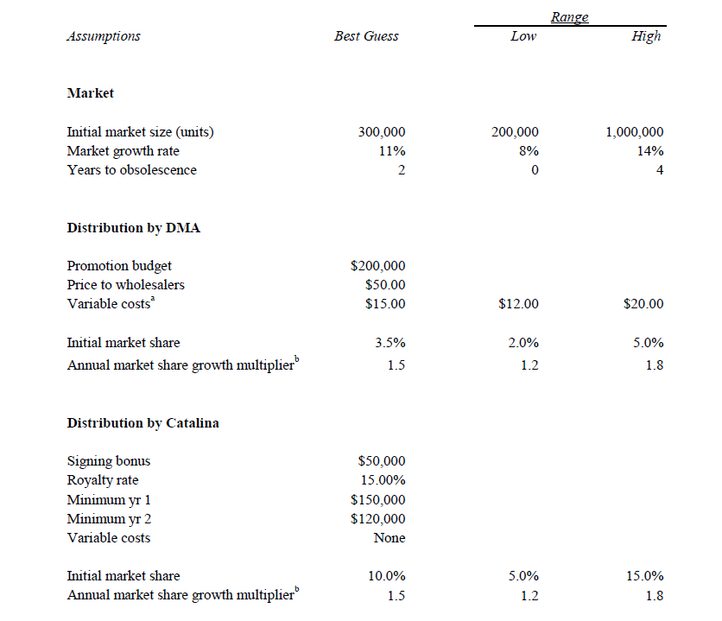
 |  | Estimated Cost | month 0 | month 1 | month 2 | month 3 | month 4 | month 5 | month 6 | month 7 | month 8 | month 9 | month 10 | month 11 | month 12 | month 13 | month 14 | month 15 | month 16 | month 17 | month 18 | month 19 | month 20 | month 21 | month 22 | month 23 | month 24 | month 25 | month 26 | month 27 | month 28 | month 29 | month 30 | month 31 | month 32 | month 33 | month 34 | month 35 | month 36 | month 37 | month 38 | month 39 | month 40 | month 41 | month 42 | month 43 | month 44 | month 45 | month 46 | month 47 | month 48
 |  | Fixed cost |  | 0.00 | 0.00 | 0.00 | 0.00 | 0.00 | 0.00 | 0.00 | 0.00 | 0.00 | 0.00 | 0.00 | 0.00 | 0.00 | 0.00 | 0.00 | 0.00 | 0.00 | 0.00 | 0.00 | 0.00 | 0.00 | 0.00 | 0.00 | 0.00 | 0.00 | 0.00 | 0.00 | 0.00 | 0.00 | 0.00 | 0.00 | 0.00 | 0.00 | 0.00 | 0.00 | 0.00 | 0.00 | 0.00 | 0.00 | 0.00 | 0.00 | 0.00 | 0.00 | 0.00 | 0.00 | 0.00 | 0.00 | 0.00
 |  | Variable cost |  | ($13,185) | ($13,860) | ($14,570) | ($15,317) | ($16,101) | ($16,926) | ($17,792) | ($18,704) | ($19,662) | ($20,669) | ($21,727) | ($22,840) | ($24,010) | ($25,239) | ($26,532) | ($27,891) | ($29,319) | ($30,821) | ($32,399) | ($34,059) | ($35,803) | ($37,637) | ($39,564) | ($41,590) | $0 | $0 | $0 | $0 | $0 | $0 | $0 | $0 | $0 | $0 | $0 | $0 | $0 | $0 | $0 | $0 | $0 | $0 | $0 | $0 | $0 | $0 | $0 | $0
 |  | Total cost |  | ($13,185) | ($13,860) | ($14,570) | ($15,317) | ($16,101) | ($16,926) | ($17,792) | ($18,704) | ($19,662) | ($20,669) | ($21,727) | ($22,840) | ($24,010) | ($25,239) | ($26,532) | ($27,891) | ($29,319) | ($30,821) | ($32,399) | ($34,059) | ($35,803) | ($37,637) | ($39,564) | ($41,590) | $0 | $0 | $0 | $0 | $0 | $0 | $0 | $0 | $0 | $0 | $0 | $0 | $0 | $0 | $0 | $0 | $0 | $0 | $0 | $0 | $0 | $0 | $0 | $0

 |  | Cash flow table | month 0 | month 1 | month 2 | month 3 | month 4 | month 5 | month 6 | month 7 | month 8 | month 9 | month 10 | month 11 | month 12 | month 13 | month 14 | month 15 | month 16 | month 17 | month 18 | month 19 | month 20 | month 21 | month 22 | month 23 | month 24 | month 25 | month 26 | month 27 | month 28 | month 29 | month 30 | month 31 | month 32 | month 33 | month 34 | month 35 | month 36 | month 37 | month 38 | month 39 | month 40 | month 41 | month 42 | month 43 | month 44 | month 45 | month 46 | month 47 | month 48
 |  | Total revenue |  | $43,951 | $46,201 | $48,568 | $51,055 | $53,670 | $56,419 | $59,308 | $62,346 | $65,539 | $68,895 | $72,424 | $76,133 | $80,032 | $84,131 | $88,440 | $92,969 | $97,731 | $102,736 | $107,998 | $113,529 | $119,343 | $125,455 | $131,881 | $138,635 | $0 | $0 | $0 | $0 | $0 | $0 | $0 | $0 | $0 | $0 | $0 | $0 | $0 | $0 | $0 | $0 | $0 | $0 | $0 | $0 | $0 | $0 | $0 | $0
 |  | Total cost |  | ($13,185) | ($13,860) | ($14,570) | ($15,317) | ($16,101) | ($16,926) | ($17,792) | ($18,704) | ($19,662) | ($20,669) | ($21,727) | ($22,840) | ($24,010) | ($25,239) | ($26,532) | ($27,891) | ($29,319) | ($30,821) | ($32,399) | ($34,059) | ($35,803) | ($37,637) | ($39,564) | ($41,590) | $0 | $0 | $0 | $0 | $0 | $0 | $0 | $0 | $0 | $0 | $0 | $0 | $0 | $0 | $0 | $0 | $0 | $0 | $0 | $0 | $0 | $0 | $0 | $0
 |  | Net cash flow | ($200,000) | $30,765 | $32,341 | $33,997 | $35,739 | $37,569 | $39,493 | $41,516 | $43,642 | $45,877 | $48,227 | $50,697 | $53,293 | $56,022 | $58,892 | $61,908 | $65,078 | $68,411 | $71,915 | $75,598 | $79,470 | $83,540 | $87,819 | $92,316 | $97,044 | $0 | $0 | $0 | $0 | $0 | $0 | $0 | $0 | $0 | $0 | $0 | $0 | $0 | $0 | $0 | $0 | $0 | $0 | $0 | $0 | $0 | $0 | $0 | $0

 |  | (Estimated discount rate) | 0.40%
 |  | Net Present Value NPV： | $1,111,629

sheet3
For situation 'Distribution by DMA':
suppose we do all the sales on credit, so each cash flow would occur at the end of each month
Distribution selected for target cells:
Initial market size (units): Triangular
Months to obsolescence: Triangular
Initial market share: Triangular
Market growth rate: Triangular
Market share growth multiplier (Yearly): Triangular
Variable costs (DMA):Triangular
Estimated discount rate: Uniform

